1. Title Page
[Instacart Grocery Basket Analysis]

Project Name: Instacart Grocery Basket Analysis
Date: 06/15/2024
Analyst Name: M. Gottlieb

Contents:
Population Flow
Consistency checks
Wrangling steps
Column derivations
Visualizations
Recommendations

2. Population Flow
Population Flow

Population flow

Exclusion flag
Condition: max_order < 5
Obervations to be removed: 144,0295
Final total count of order_products_all: drop

Orders_products_combined
Orders_products_merged
Orders_products_all

Total: 32,404,859
Total: 32,434,489
Total: 32,404,859

1.) The grey boxes in the first row of the population flow represent the original data sets as they were when you downloaded them. In the Total fields you need to add the count of the rows when you imported the data set into Jupyter.
2.) The second row of boxes (coloured) represents the data sets after you manipulated them, e.g., removed missing values and duplicates. In the Total fields you need to add the count of the rows after conducting these operations. This offers a visual oveview of how the data flows throughout the data consistency checks.
3.) The third row, where also the arrows are coloured, represents the merges you performed between the datasets. In the Total fields you need to add the count of the rows in the merged datasets, so that you end up with the final dataset (in the red box). Keep in mind the final dataset should be without exclusions (based on the exclusion flag).

3. Consistency checks
 |  |  |  | Consistency checks
Consistency checks

Dataset | Missing values | Missing values treatment | Duplicates
orders | Missing in "days_since_prior_order": 206,209 | Imputed missing values with the median | No duplicates
products | Missing in "product_name": 16 | Observations dropped | 5 Observations Removed
orders_products_prior | No missing values | N/A | No duplicates
customers | Missing in "First Name": 11,259 | No treatment, this column will be dropped because this is PII | No duplicates
ords_prods_combined | Two unnamed columns | Observations dropped | No duplicates

4. Wrangling steps
 |  |  |  | Wrangling steps
Wrangling steps

Columns dropped | Columns renamed | Columns' type changed | Comment/Reason
 | "order_dow" → "orders_day_of_week" |  | [4.4] Renamed to "orders_day_of_week" to enhance readability
 | "eval_set" → "evaluation_status" |  | [4.4] Renamed to "evaluation_status" to enhance readability
"evaluation_status" |  |  | [4.4] Deemed unnecessary for analysis and was dropped
 |  | "order_id" int → str | [4.4] Does not hold numeric or relevant statistical data, save on memory
 |  | "user_id" int → str | [4.4] Does not hold numeric or relevant statistical data, save on memory
 | "First Name" → "first_name" |  | [4.9] Renamed using camel case for consistency
 | "Surnam" → "surname" |  | [4.9] Renamed using camel case for consistency
 | "Gender" → "gender" |  | [4.9] Renamed using camel case for consistency
 | "STATE" → "state" |  | [4.9] Renamed using camel case for consistency
 | "Age" → "age" |  | [4.9] Renamed using camel case for consistency
 |  | "first_name" mixed → str | [4.9] To ensure data consistency
"first_name" |  |  | [4.10] Dropped because this is Personally Identifiable Information (PII)
"last_name" |  |  | [4.10] Dropped because this is Personally Identifiable Information (PII)

5. Column derivations
 |  |  |  | Column derivations

Column derivations and aggregations

price_range_loc
Mid-range product 75,6450
Low-range product 24,3550
busiest_days
Regularly busy 12,916,111
Busiest days 11,864,412
Slowest days 7,624,336
busiest_period_of_day
Average orders 26,105,390
Most orders 5,703,141
Fewest orders 596,328
loyalty_flag
Regular customer 15,876,776
Loyal customer 10,284,093
New customer 6,243,990
order_frequency_flag
Frequent customer 22,790,523
Regular customer 6,927,608
Non-frequent customer 2,686,728
region
South 10,791,885
West 8,292,913
Midwest 7,597,325
Northeast 5,722,736
exclusion_flag
Keep 30,964,564
Exclude 1,440,295
age_group
Senior 12,508,298
Middle-Aged Adult 7,307,833
Adult 7,283,915
Young Adult 3,864,518
income_bracket
High Income 17,829,832
Upper Middle Income 7,331,431
Middle Income 5,609,169
Low Income 194,132
dependents
One/Two Dependent 15,452,367
Three or More Dependents 7,772,516
Single/No Dependents 7,739,681
customer_profile
Low-income middle-aged adult 4,926
Low-income senior 9,780
Low-income young adult 44,155
Low-income adult 92,197
Middle-income middle-aged adult 638,133
Middle-income young adult 931,224
Middle-income senior 1,050,269
Middle-income adult 1,763,562
Upper middle/high-income young adult 2,104,707
Upper middle/high-income adult 3,948,857
Upper middle/high-income middle-aged adult 5,196,680
Upper middle/high-income senior 8,909,147
Dataset | New column | Column/s it was derived from | Conditions
orders_wrangled | days_since_prior_order_missing | days_since_prior_order | median_value = df_ords['days_since_prior_order'].median() df_ords['days_since_prior_order'].fillna(median_value, inplace=True)
ords_prods_merge | price_range_loc | prices | df.loc[df['prices'] > 15, 'price_range_loc'] = 'High-range product' df.loc[(df['prices'] <= 15) & (df['prices'] > 5), 'price_range_loc'] = 'Mid-range product' df.loc[df['prices'] <= 5, 'price_range_loc'] = 'Low-range product'
ords_prods_merge | busiest_day | orders_day_of_week | if value == 0: # 0 represents Saturday, one of the busiest days result_second.append("Busiest days") elif value == 1: # 1 represents Sunday, one of the busiest days result_second.append("Busiest days") elif value == 3: # 3 represents Wednesday, one of the slow days result_second.append("Slowest days") elif value == 4: # 4 represents Thursday, one of the slow days result_second.append("Slowest days") else: result_second.append("Regularly busy")
ords_prods_merge | busiest_period_of_day | order_hour_of_day | if hour < 6: result_third.append('Fewest orders') elif 6 <= hour <= 17: result_third.append('Average orders') else: result_third.append('Most orders')
orders_products_merg_busiest_times_and_days | loyalty_flag | max_order (Derived from 'user_id' & 'order_number') | ords_prods_merge.loc[ords_prods_merge['max_order'] > 40, 'loyalty_flag'] = 'Loyal customer' ords_prods_merge.loc[(ords_prods_merge['max_order'] <= 40) & (ords_prods_merge['max_order'] > 10), 'loyalty_flag'] = 'Regular customer' ords_prods_merge.loc[ords_prods_merge['max_order'] <= 10, 'loyalty_flag'] = 'New customer'
orders_products_merg_busiest_times_and_days | order_frequency_flag | user_median_days (Derived from 'user_id', 'days_since_prior_order' & 'user_median_days') | ords_prods_merge.loc[ords_prods_merge['user_median_days'] <= 10, 'order_frequency_flag'] = 'Frequent customer' ords_prods_merge.loc[(ords_prods_merge['user_median_days'] > 10) & (ords_prods_merge['user_median_days'] <= 20), 'order_frequency_flag'] = 'Regular customer' ords_prods_merge.loc[ords_prods_merge['user_median_days'] > 20, 'order_frequency_flag'] = 'Non-frequent customer'
orders_products_customers_merged | region | state | northeast_region = ['Maine', 'New Hampshire', 'Vermont', 'Massachusetts', 'Rhode Island', 'Connecticut', 'New York', 'Pennsylvania', 'New Jersey'] midwest_region = ['Wisconsin', 'Michigan', 'Illinois', 'Indiana', 'Ohio', 'North Dakota', 'South Dakota', 'Nebraska', 'Kansas', 'Minnesota', 'Iowa', 'Missouri'] south_region = ['Delaware', 'Maryland', 'District of Columbia', 'Virginia', 'West Virginia', 'North Carolina', 'South Carolina', 'Georgia', 'Florida', 'Kentucky', 'Tennessee', 'Mississippi', 'Alabama', 'Oklahoma', 'Texas', 'Arkansas', 'Louisiana'] west_region = ['Idaho', 'Montana', 'Wyoming', 'Nevada', 'Utah', 'Colorado', 'Arizona', 'New Mexico', 'Alaska', 'Washington', 'Oregon', 'California', 'Hawaii'] df_findings.loc[df_findings['state'].isin(northeast_region), 'region'] = 'Northeast' df_findings.loc[df_findings['state'].isin(midwest_region), 'region'] = 'Midwest' df_findings.loc[df_findings['state'].isin(south_region), 'region'] = 'South' df_findings.loc[df_findings['state'].isin(west_region), 'region'] = 'West' missing_regions = df_findings['region'].isnull().sum()
orders_products_customers_merged | exclusion_flag | max_order | df_findings.loc[df_findings['max_order'] < 5, 'exclusion_flag'] = 'Exclude' df_findings.loc[df_findings['max_order'] >= 5, 'exclusion_flag'] = 'Keep'
orders_products_customers_merged | age_group | age | keep_customers.loc[df_findings['age'] <= 25, 'age_group'] = 'Young Adult' keep_customers.loc[(df_findings['age'] > 25) & (df_findings['age'] <= 40), 'age_group'] = 'Adult' keep_customers.loc[(df_findings['age'] > 40) & (df_findings['age'] <= 55), 'age_group'] = 'Middle-Aged Adult' keep_customers.loc[df_findings['age'] > 55, 'age_group'] = 'Senior'
orders_products_customers_merged | income_bracket | income | keep_customers.loc[df_findings['income'] <= 30000, 'income_bracket'] = 'Low Income' keep_customers.loc[(df_findings['income'] > 30000) & (df_findings['income'] <= 60000), 'income_bracket'] = 'Middle Income' keep_customers.loc[(df_findings['income'] > 60000) & (df_findings['income'] <= 90000), 'income_bracket'] = 'Upper Middle Income' keep_customers.loc[df_findings['income'] > 90000, 'income_bracket'] = 'High Income'
orders_products_customers_merged | dependants | n_dependents | keep_customers.loc[keep_customers['n_dependants'] == 0, 'dependents'] = 'Single/No Dependents' keep_customers.loc[keep_customers['n_dependants'].isin([1, 2]), 'dependents'] = 'One/Two Dependent' keep_customers.loc[keep_customers['n_dependants'] >= 3, 'dependents'] = 'Three or More Dependents'
orders_products_customers_merged | customer_profile | income_bracket & age_group & dependents | # Low Income Profiles if row['income_bracket'] == 'Low Income': if row['age_group'] == 'Young Adult': return 'Low-income young adult' # Low-income young adults with limited disposable income and a focus on essential and affordable products. elif row['age_group'] == 'Adult': return 'Low-income adult' # Low-income adults with limited disposable income and a focus on essential and affordable products. elif row['age_group'] == 'Middle-Aged Adult': return 'Low-income middle-aged adult' # Low-income middle-aged adults with limited disposable income and a focus on essential and affordable products. elif row['age_group'] == 'Senior': return 'Low-income senior' # Low-income seniors with limited disposable income and a focus on essential and affordable products.
 |  |  | # Middle Income Profiles elif row['income_bracket'] == 'Middle Income': if row['age_group'] == 'Young Adult': return 'Middle-income young adult' # Middle-income young adults with moderate disposable income and a focus on affordable yet quality products. elif row['age_group'] == 'Adult': return 'Middle-income adult' # Middle-income adults with moderate disposable income and a focus on affordable yet quality products. elif row['age_group'] == 'Middle-Aged Adult': return 'Middle-income middle-aged adult' # Middle-income middle-aged adults with moderate disposable income and a focus on affordable yet quality products. elif row['age_group'] == 'Senior': return 'Middle-income senior' # Middle-income seniors with moderate disposable income and a focus on affordable yet quality products.
 |  |  | # Upper Middle and High Income Profiles elif row['income_bracket'] in ['Upper Middle Income', 'High Income']: if row['age_group'] == 'Young Adult': return 'Upper middle/high-income young adult' # Upper middle-income and high-income young adults who are aspirational and value high-quality products that offer good value. elif row['age_group'] == 'Adult': return 'Upper middle/high-income adult' # Upper middle-income and high-income adults who are aspirational and value high-quality products that offer good value. elif row['age_group'] == 'Middle-Aged Adult': return 'Upper middle/high-income middle-aged adult' # Upper middle-income and high-income middle-aged adults who are aspirational and value high-quality products that offer good value. elif row['age_group'] == 'Senior': return 'Upper middle/high-income senior' # Upper middle-income and high-income seniors who are aspirational and value high-quality products that offer good value. # Uncategorized return 'Uncategorized'

6. Visualizations
 | Visualizations

Visualisations

Key Question
How can the sales team identify the busiest days of the week and hours of the day, specifically the days and times with the highest order frequencies, to strategically schedule advertisements during periods of lower order volumes?
Key Question
Are there specific times of the day when customers spend the most money, and how can this information guide the sales team in selecting the most appropriate products to advertise during these peak spending periods?



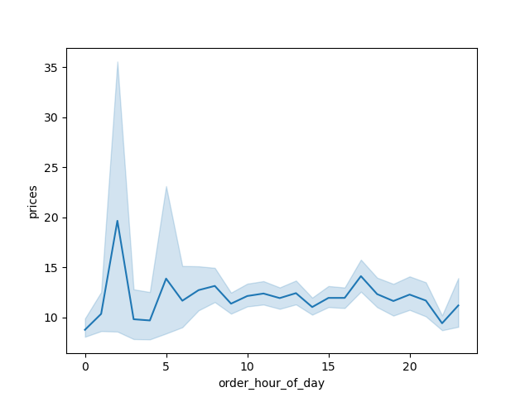

Line Graph
Avg Prices of Goods Sold by Hour of the Day
Based on the data, we can identify specific times of the day when customers spend the most money on average.
Peak Spending Hours
2 AM: The highest average spending occurs at 2 AM, with an average price of $19.63.
5 AM: Another notable peak is at 5 AM, with an average spending of $13.86.
5 PM: At 5 PM, the average spending is $14.10.
Consistently High Spending Hours
6 AM - 8 AM: Average prices range from $11.64 to $13.13.
10 AM - 1 PM: Average spending ranges from $12.11 to $12.40.
Lowest Spending Hours
Midnight: The average spending is $8.74.
10 PM: The average spending drops to $9.39.

.

Histogram | Frequency of Order Hour of Day
The histogram shows a cluster of values in the area around 10 and 15, a very few amount of orders between 0-5, and a gradually decrease of orders starting around 17. From this we can infer that the popular hour for orders is late morning to early afternoon.
Bar Chart | Frequency of Order By Day
The data reveals distinct patterns in consumer ordering behavior, with a peak on Saturdays (0) and a significant drop by mid-week. By focusing more resources and promotional efforts during high activity days like Saturday and Sunday, businesses can potentially increase their sales and customer satisfaction.
Line Graph | Summary
Customers tend to spend the most money during early morning hours, specifically around 2 AM and 5 AM, and again in the late afternoon at 5 PM. Midday hours also see relatively high spending.
The sales team can use this data to target premium products during peak spending times and budget-friendly products during lower spending periods.

Key Question
How can the marketing and business strategy units at Instacart use customer profiling from their database to develop more relevant marketing strategies for different products?

Variables for Defining Customer Profiles
To define customer profiles, I segmented the variables age_group, income_bracket, and dependents into specific categories:
- Age Group: Young Adult, Adult, Middle-Aged Adult, Senior
- Dependents: Single/No Dependents, One/Two Dependents, Three or More Dependents
- Income: Low Income, Middle Income, Upper Middle Income, High Income
Why Focus on Top Customer Bases?
The largest customer bases typically represent the majority of the revenue. By targeting these groups, Instacart can tap into the largest segments of their market, ensuring that their marketing efforts reach the widest possible audience.
Also by focusing on these top customer segments marketing can reduce costs per impression or acquisition through larger group campaigns. They can also tailor marketing strategies that address the specific needs and preferences of these segments create more relevant and engaging messages, enhancing market penetration.

Bar | Distribution of Age Groups
Largest Customer Base: Seniors (9,969,196)
Second Largest Customer Base: Middle-Aged Adults (5,839,739)
Age Group Distribution: The majority of customers are seniors, followed by roughly equal numbers of adults and middle-aged adults, with young adults being the least represented.
Age groups significantly influence shopping behavior, preferences, and needs. For marketing, I would recommend a focus on the top two largest customer bases.
Recommendations for marketing towards Seniors may be more health-related products, convenience items, and essentials. Marketing for Middle-Aged Adults could target a balance of family-oriented products, financial services, and lifestyle goods.
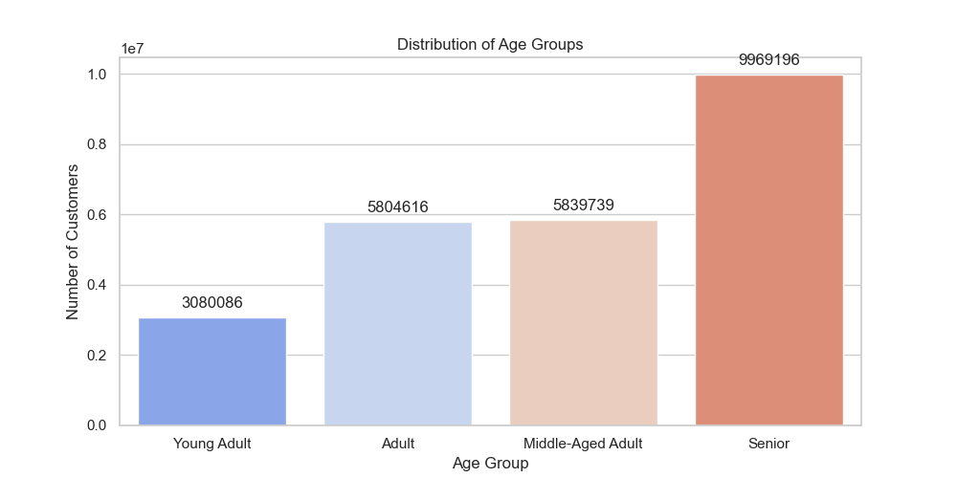

Bar & Pie Chart | Distribution of Dependents
Largest Customer Base: One/Two Dependents (12,329,620)
Second Largest Customer Base: Three or More Dependents (6,199,738)
Dependents Distribution: Almost half of all customers, 49.9%, have one or two dependents, while an almost equal quarter have no dependents, 25%, or have three or more dependents, 25.1%.
Since nearly half of the customers have one or two dependents, this indicates a significant portion of the customer base comprises small families.
Recommendations for this largest segment, One/Two Dependents, may be more family-oriented products, value packs, and bulk purchases. This would also target the Three or More Dependents segment.
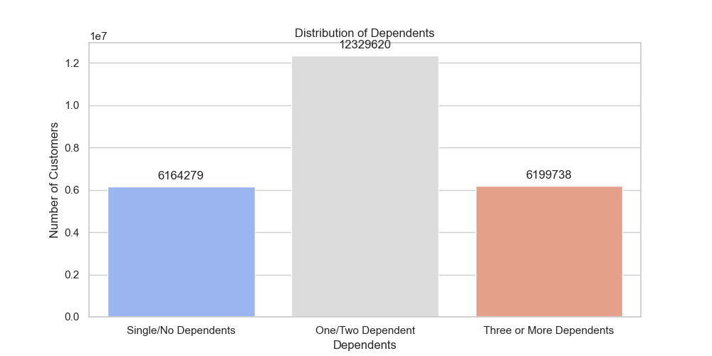
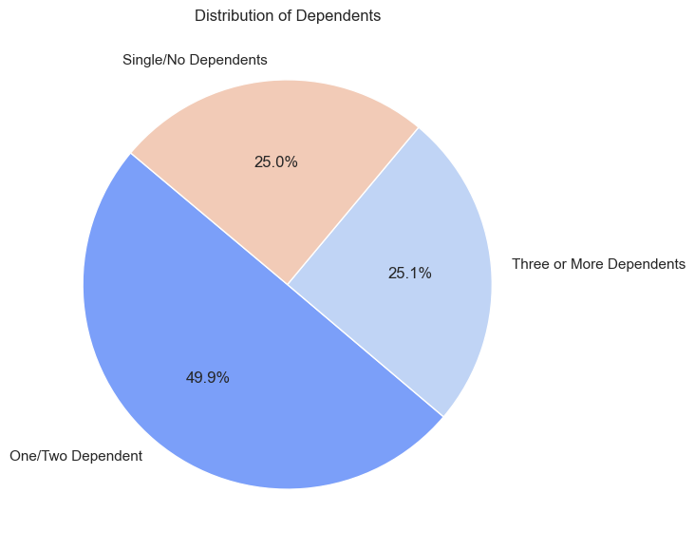

Bar & Pie Chart | Distribution of Income Brackets
Largest Customer Base: High Income (14,301,931)
Second Largest Customer Base: Upper Middle Income (5,857,460)
Income Distribution: 57.9% of customers are high income, 23.7% are upper middle income, 17.8% are middle income, and 0.8% are low income.
Income levels determine purchasing power and spending habits.
Since we can see the majority of our customers are High Income or Upper Middle Income, then we can recommend marketing towards premium products and high-quality items.
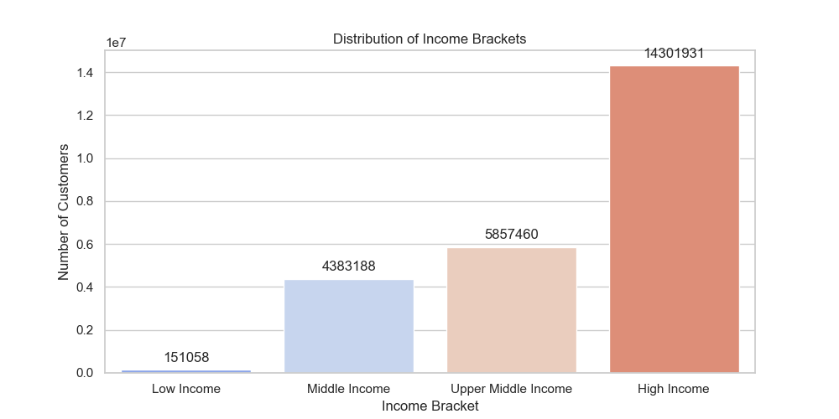
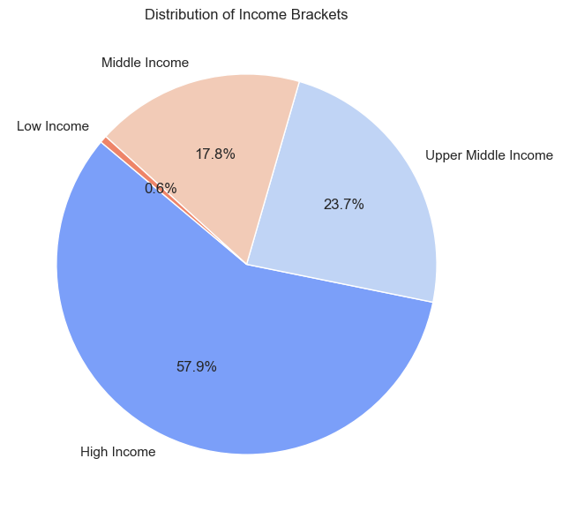

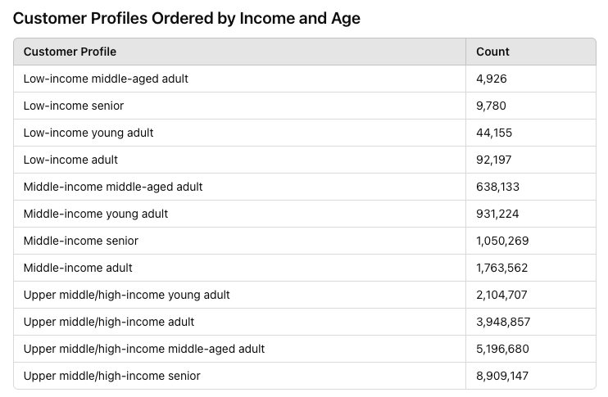
Defining Customer Profiles
Based on these variables and the distribution of customers within each variable, specific customer profiles have been created to enable targeted marketing strategies recommendation that cater to the unique needs and preferences of each segment.
The rationale for combining certian segments, like middle and upper middle income profiles is because these groups are similar in size and spending habits. Since the high income group is the largest, I merged the middle and upper middle groups as well. This way, we can give more targeted recommendations to marketing of customer profile groups that appeal to a large number of customers with similar preferences.
Top 4 Customer Profiles
The majority of customers fall into the Upper Middle and High-income brackets, particularly among Seniors and Middle-aged Adults.
These groups represent significant purchasing power and likely demand high-quality products and premium services. Middle-income adults also constitute a substantial portion of the customer base, indicating a solid market for affordable yet quality products.
Given the large number of higher income customers, especially seniors and middle-aged adults, recommendations for marketing include emphasizing premium products, luxury goods, and exclusive services. Market towards these groups with emphasis on quality, exclusivity, and convenience.

Low Income Profiles
These profiles have limited disposable income and a focus on essential and affordable products.
- Low-income young adult
- Low-income adult
- Low-income senior
Middle and Upper Middle Income Profiles
These profiles have moderate to upper middle disposable income and value high-quality products that offer good value.
- Middle/upper middle-income young adult
- Middle/upper middle-income adult
- Middle/upper middle-income senior
High Income Profiles
These profiles have significant disposable income and a focus on premium, lifestyle, and trendy products.
- High-income young adult
- High-income adult
- High-income senior
Uncategorized
- Uncategorized: Any combinations not fitting the above profiles.

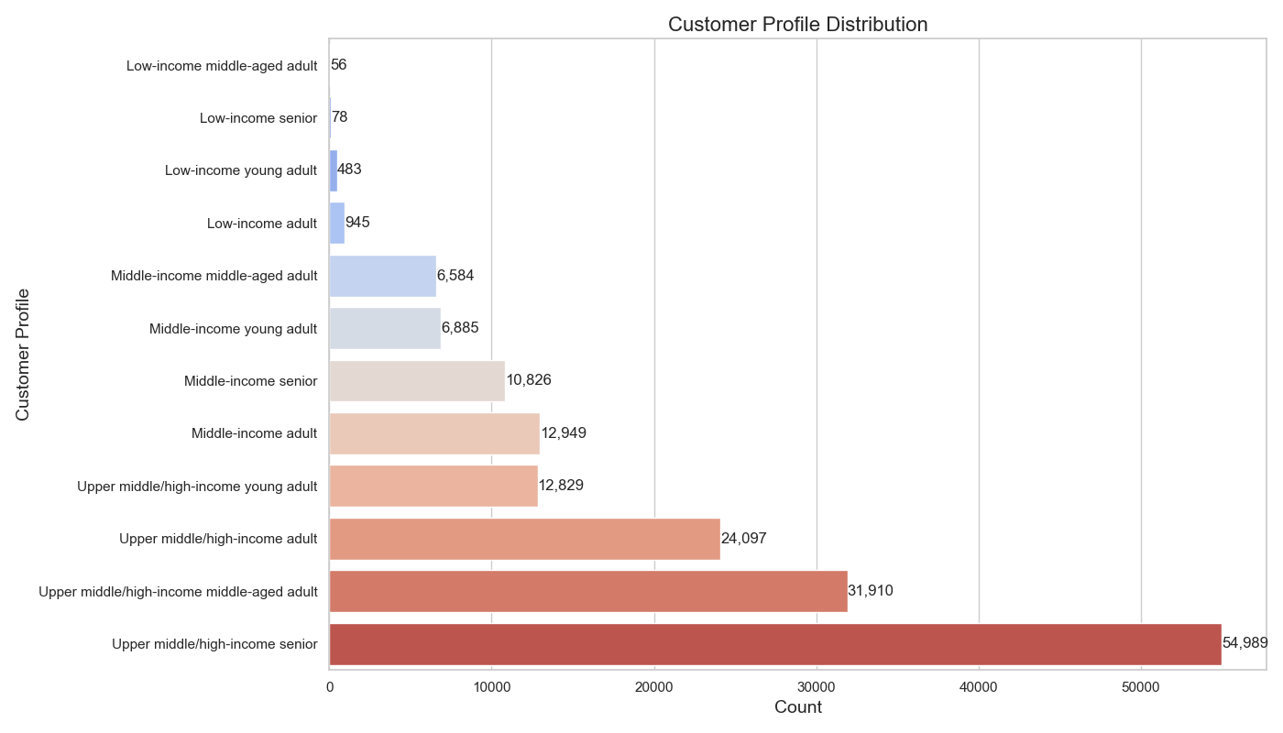

Chart | Title
Text

Key Question
How do customer profiles vary across different regions, and how can Instacart officers compare customer behavior in different geographic areas?

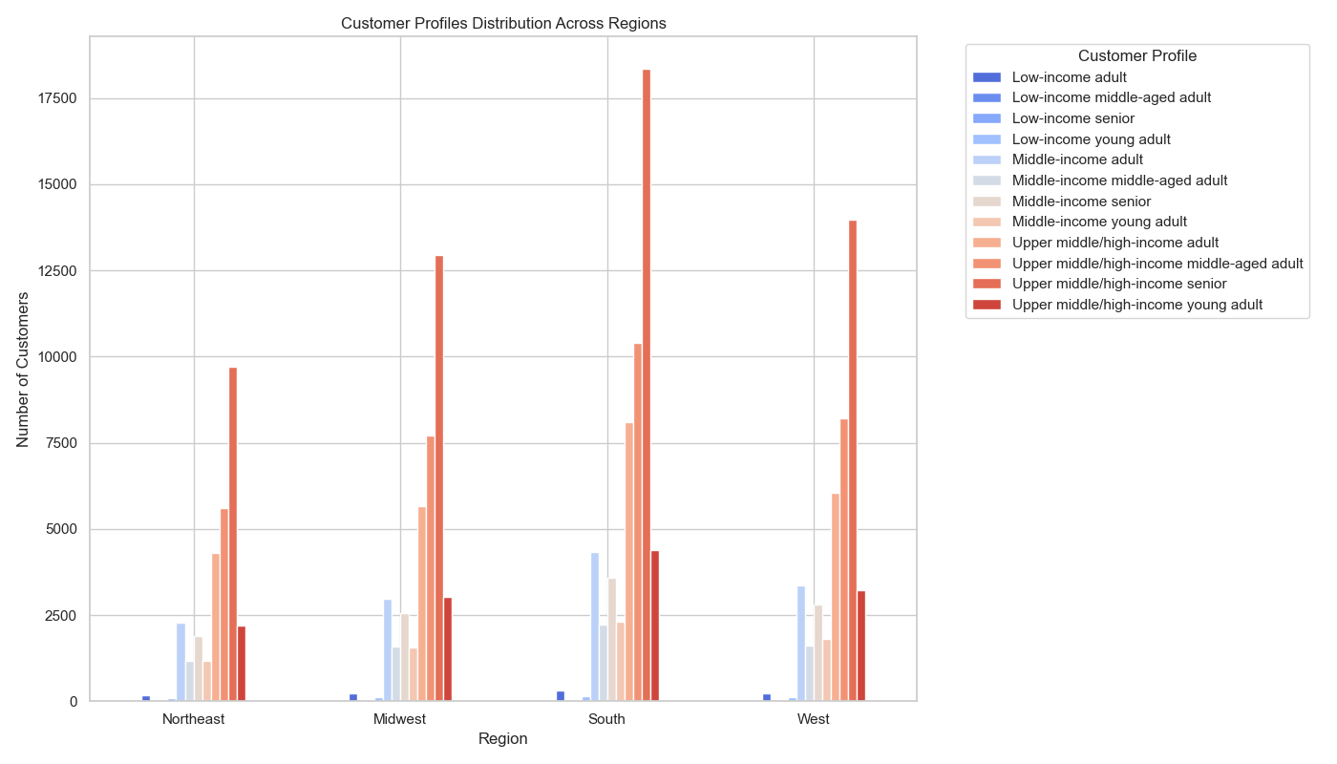
Bar Chart | Customer Profile Distribution Across Regions
The analysis reveals that the Southern region consistently has the highest number of individuals across most customer profiles, indicating a larger customer base or greater popularity of Instacart in this region.
The largest profile in each region is the Upper middle/high-income senior, with the highest concentration in the South. This profile includes seniors with any number of dependents within the upper middle or high-income bracket.
High-income customers represent the largest portion of Instacart's customer base across all regions. Given that upper middle/high-income seniors are the largest majority, marketing efforts should target this group. Strategies could include promoting premium products, offering exclusive deals and discounts, and creating personalized shopping experiences. Additionally, implementing loyalty programs and high-value incentives tailored to their spending habits can enhance engagement and drive sales within this significant customer segment.

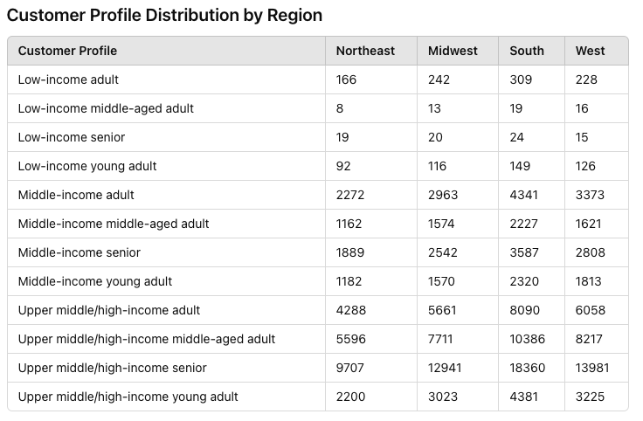

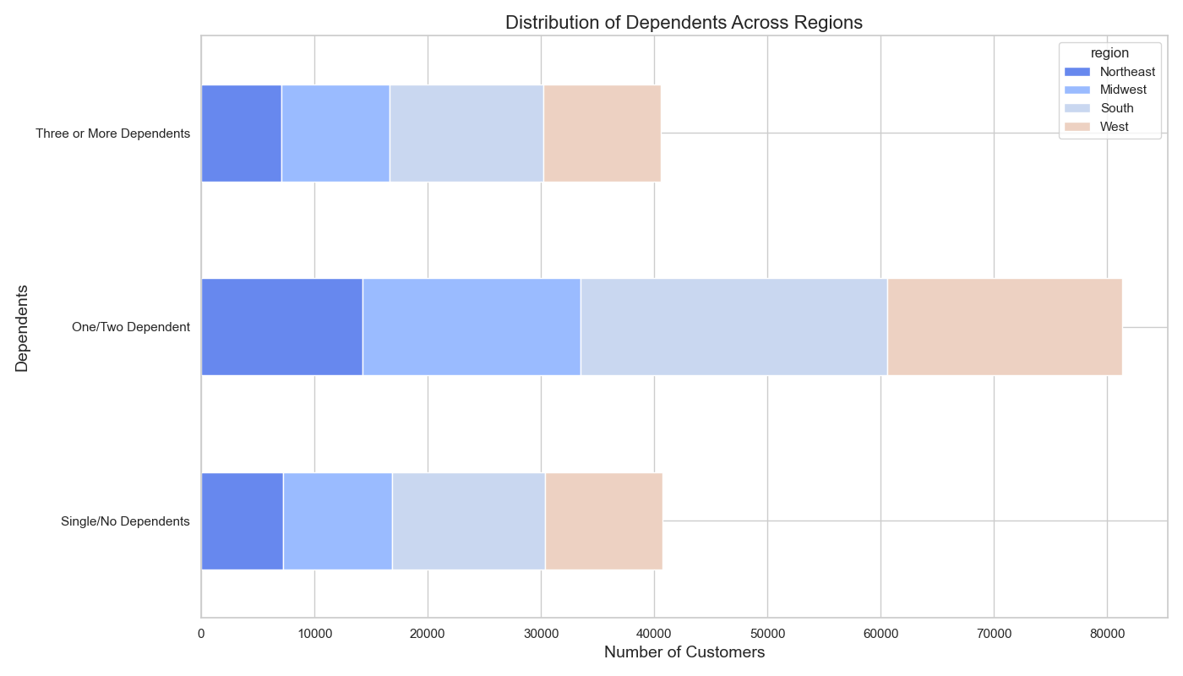

Bar Chart | Distribution of Dependents Across Regions
Those with One/Two Dependents consistently has the biggest number of customers across all regions, and the biggest number in general. The South leads with 27,058, followed by the West (20,744), Midwest (19,232), and Northeast (14,258).
Overall, when looking across all regions, the number of individuals in the Single/No Dependents group is similar to the Three or More Dependents group.
The Single/No Dependents has its largest customer base in the South (13,537) and smallest in the Northeast (7,255), indicating a potential opportunity for targeted marketing to single individuals in regions where they are less represented.
The Three or More Dependents has the smallest customer base in the Northeast (7,068), followed by the West (10,368), Midwest (9,578), and South (13,598). When targeting those with one/two dependents this would overlap with this group.

Key Question
Can we identify any links or behavioral differences among customers across different regions and departments?

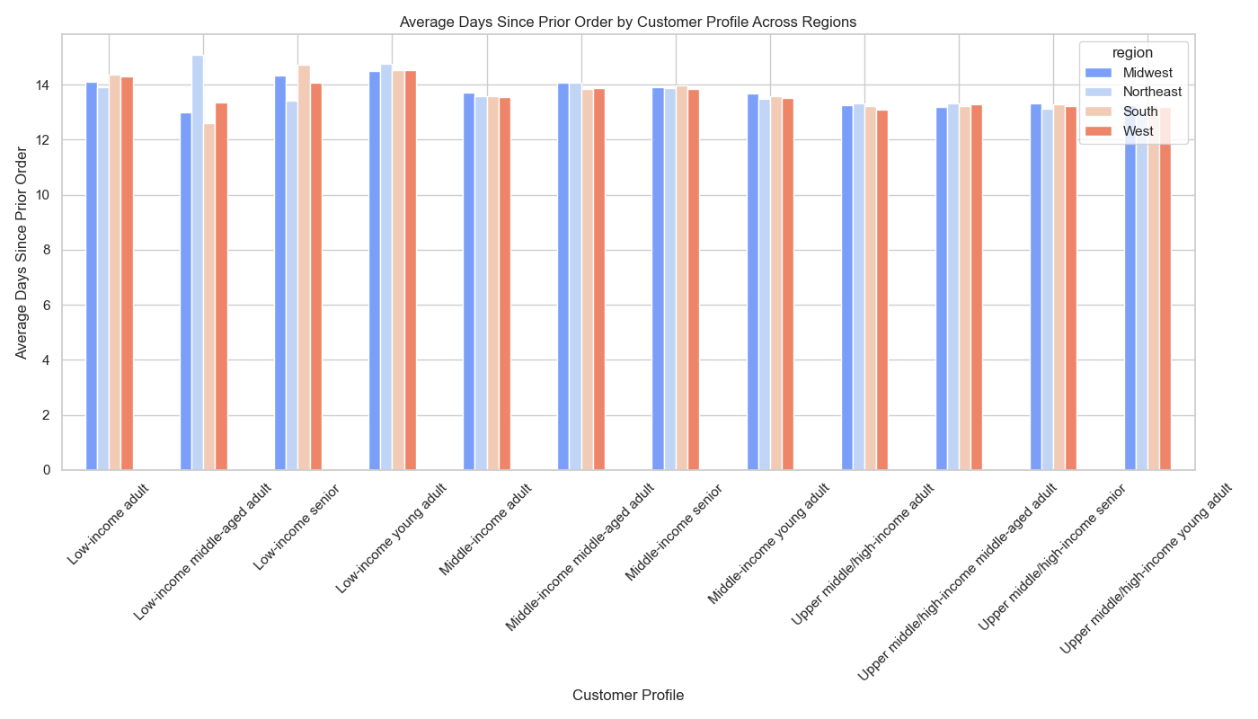
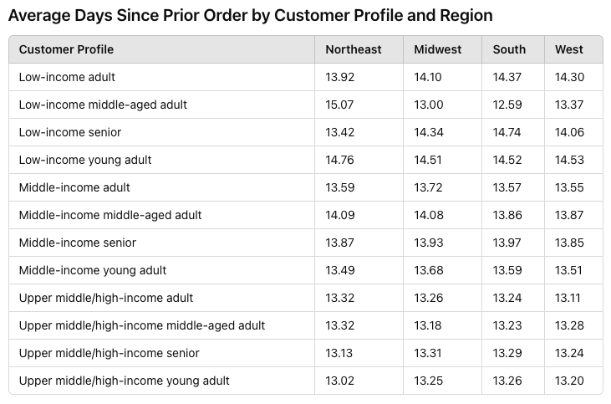
Avg Days Since Prior Order by Customer Profile & Region
The data reveals that low-income middle-aged adults have the highest average days since prior order in the Northeast (15.07), while the same profile has the lowest average in the South (12.59), indicating infrequent purchasing patterns.
Low-income young adults consistently show high average days since prior order across all regions, with the highest in the Northeast (14.76).
In contrast, upper middle/high-income young adults have the lowest average days since prior order, especially in the Northeast (13.02) and the Midwest (13.25), suggesting more frequent purchases.
Based on tihs data we recommend marketing efforts focused on increasing purchase frequency among low-income middle-aged adults in the Northeast and low-income young adults across all regions by offering targeted promotions and loyalty incentives.

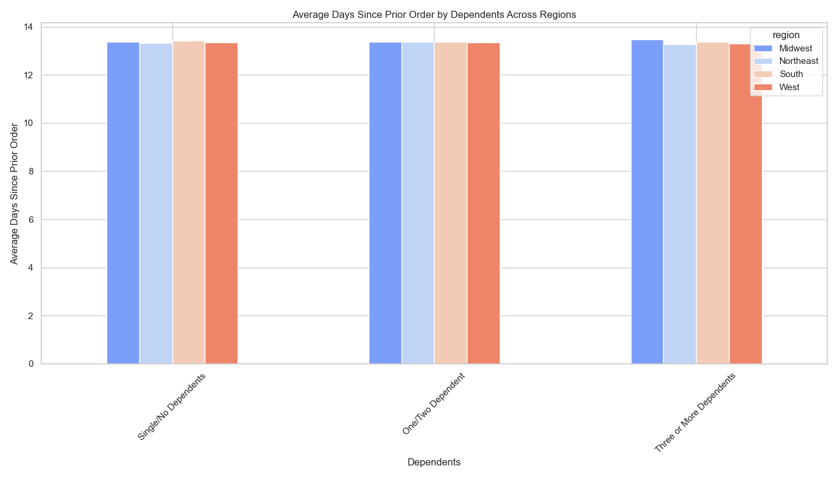
Avg Days Since Prior Order by Number of Dependents
The values indicate that, on average, customers with three or more dependents have slightly higher days since prior order in the Midwest, while customers with one or two dependents have fairly consistent averages across all regions. The Northeast region shows slightly lower averages for customers with three or more dependents compared to other regions.
Overall, the differences are relatively small, suggesting similar ordering patterns across regions and dependents categories.

Top Five Departments per Region
Produce, Dairy Eggs, Beverages, Deli, and Snacks all rank among the top five departments consistently across all regions, though their order counts vary.
Produce Dominates: The Produce department has the highest order count in all regions, with the South region leading at 36,858 orders.
Regional Preferences: Dairy Eggs is the second most popular department across all regions, with the highest count in the South (6,038 orders).
Midwest and South Lead: The Midwest and South regions generally have higher order counts across most departments compared to the Northeast and West.
Snacks and Deli: Snacks and Deli have lower order counts compared to other departments, indicating these are less popular choices among customers in all regions.

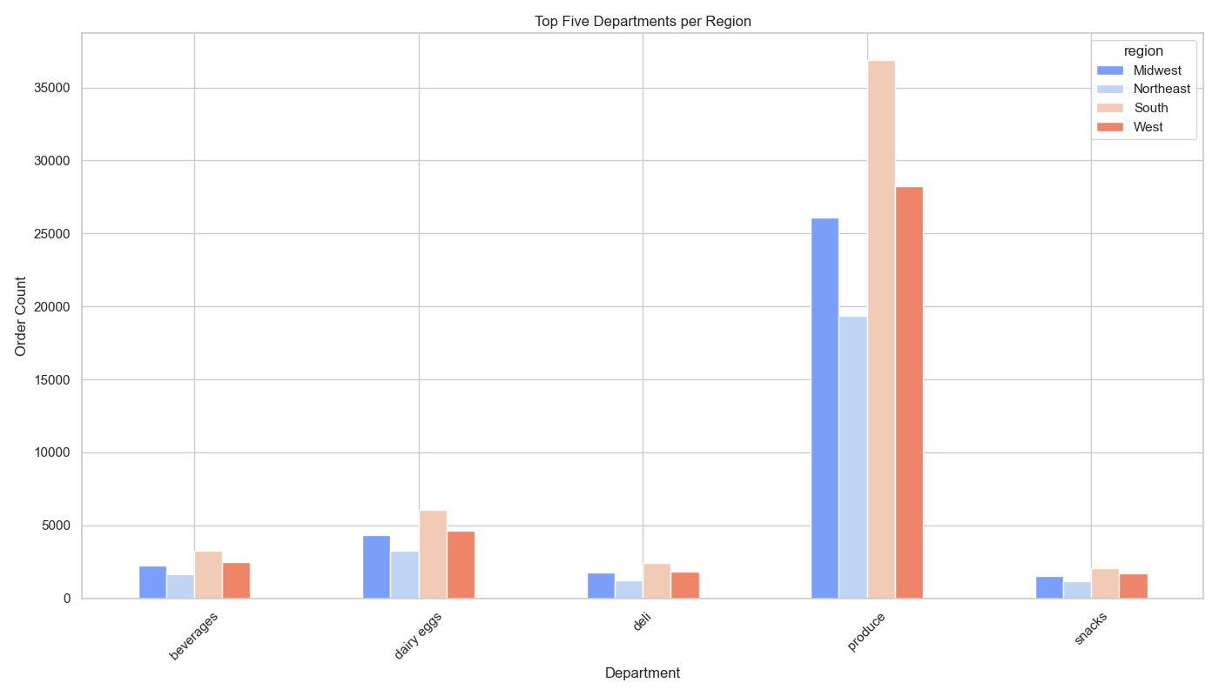

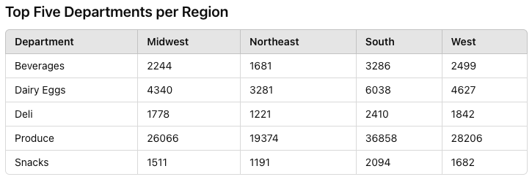

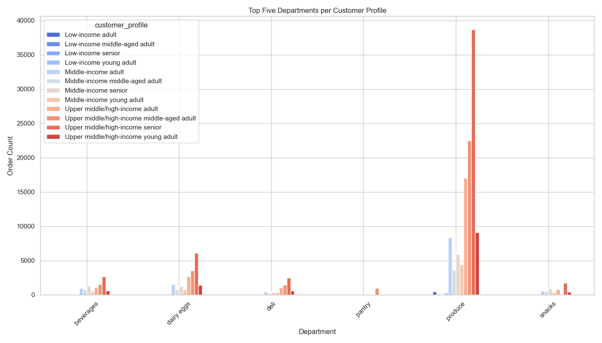
Top Five Departments by Customer Profile
Produce leads across all profiles, especially among upper middle/high-income seniors, followed by Dairy Eggs. Snacks, Beverages, and Deli also rank among the top departments, while Pantry appears only in specific profiles.

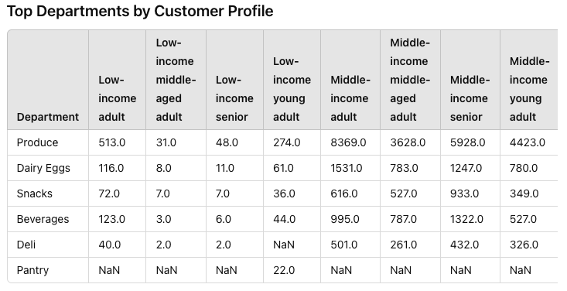

Top Five Departments Key Takeaways
Produce and Dairy Eggs: Both charts indicate that Produce and Dairy Eggs are consistently top departments, showing high order counts across regions and customer profiles. Produce has the highest order count in all categories, reflecting a strong preference for fresh products.
Customer Profile Variations: While Produce leads across both customer profiles and regions, the order counts for customer profiles show a wider range, with significantly higher counts in the upper middle/high-income senior category compared to regions.
Regional Specifics: The regional table shows Beverages, Deli, and Snacks also rank among the top five departments consistently, while in the customer profile table, Pantry appears for specific profiles but not in the regional top five.
Insights for Marketing
Focus on Produce and Dairy Eggs: Both categories show high engagement across regions and customer profiles, suggesting these should be key areas for marketing and promotions.
Target Specific Profiles: Marketing campaigns can be tailored to target upper middle/high-income seniors for Produce and Dairy Eggs, given their significantly higher order counts.
Boost Lesser Popular Departments: Efforts can be made to increase interest in Snacks and Deli, especially in regions and profiles where they rank lower, to drive overall sales.
Identifying Links
Universal Preference: Produce and Dairy Eggs consistently top the list of departments with the highest order counts across all regions. These departments are also highly favored across all customer profiles, with especially high engagement from upper middle/high-income seniors. This suggests a universal preference for fresh produce and essential dairy items.
Preference by Profile: Beverages, Deli, and Snacks also feature prominently in regional top five lists. The popularity of these departments varies more significantly by customer profile. Pantry items, for example, appear in specific customer profiles but not in the top five for any region.
Average Days Since Prior Order: Customers with three or more dependents tend to have slightly longer intervals between orders in the Midwest compared to other regions, suggesting a potential pattern of bulk purchasing or less frequent shopping trips. Middle-aged and senior profiles, particularly in the upper middle/high-income brackets, tend to have higher average days since prior order, indicating less frequent but possibly larger order volumes.
Behavioral Differences
Frequency of Purchases: The South and Midwest generally have higher order counts across most departments, indicating more frequent shopping or larger household needs in these regions. Customers with dependents, especially those with three or more, tend to have longer intervals between orders, possibly due to larger, less frequent shopping trips.
Profile-Specific Preferences: Young adults across all income brackets show relatively lower order counts for departments like Deli and Snacks, possibly indicating different dietary preferences or lifestyle choices. Upper middle/high-income seniors have significantly higher order counts for Produce, suggesting a strong preference for fresh, possibly healthier food options.
Regional Specifics: While Produce is the top department across all regions, the South shows the highest engagement, indicating a strong regional preference that might be linked to dietary habits or availability of fresh produce. The Midwest and South regions show higher order counts for Beverages and Snacks, indicating a possible preference for convenience foods and drinks in these regions.

Recommendations for Marketing
Targeted Campaigns: Focus marketing efforts on Produce and Dairy Eggs, leveraging their universal appeal across all regions and customer profiles. Tailor promotions for Beverages, Deli, and Snacks to regions like the Midwest and South where these departments show higher engagement.
Profile-Specific Strategies: Develop specific campaigns for upper middle/high-income seniors, emphasizing the availability of fresh produce and dairy items. Address the needs of young adults by promoting quick, convenient meal options and snacks that fit their lifestyle.
Frequency Incentives: For regions and profiles with longer intervals between orders, consider offering incentives for more frequent shopping, such as loyalty programs or discounts on repeat purchases.

Key Question
How does age correlate with spending power (income)?

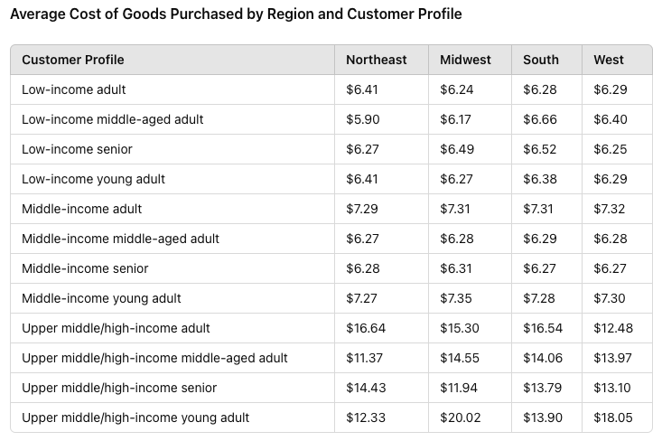
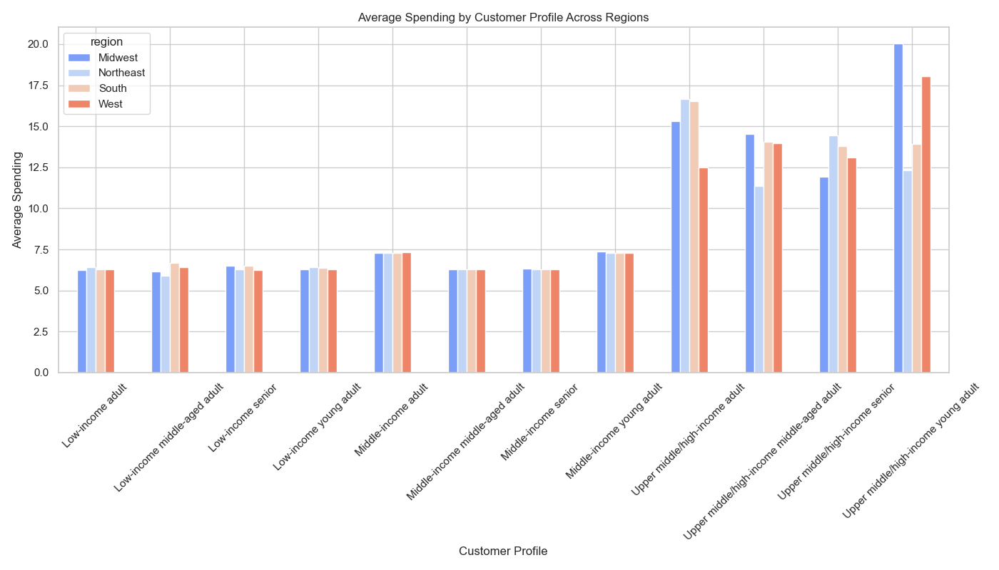
Bar Chart | Avg Spending by Customer Profile Across Regions
The data suggest that both age and life stage significantly influence spending behaviors, with younger, high-income individuals and families driving higher expenditures.
High-income single adults exhibit the highest spending, particularly in the Midwest ($21.17), indicating strong purchasing power with significant regional variations.
Young parents with multiple dependents consistently spend the most across all regions, reflecting family-oriented expenditures and higher costs asscociated with larger families.
Older adults without dependents show high spending in the Northeast ($15.27) and South ($15.33), likely focusing on quality and convenience products.

Key Question
Are there certain types of products that are more popular than others, and which departments have the highest frequency of product orders according to the marketing and sales teams?

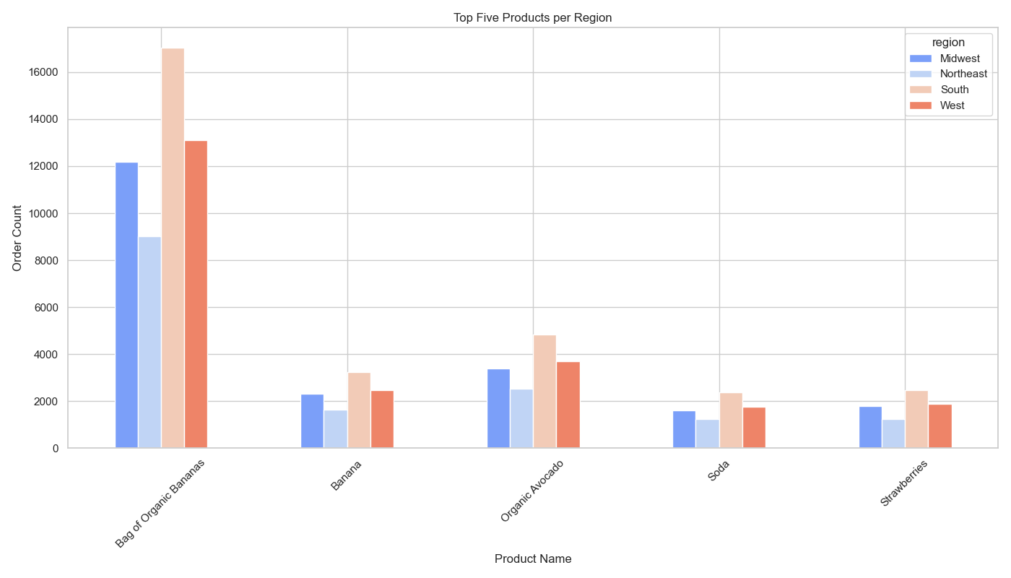
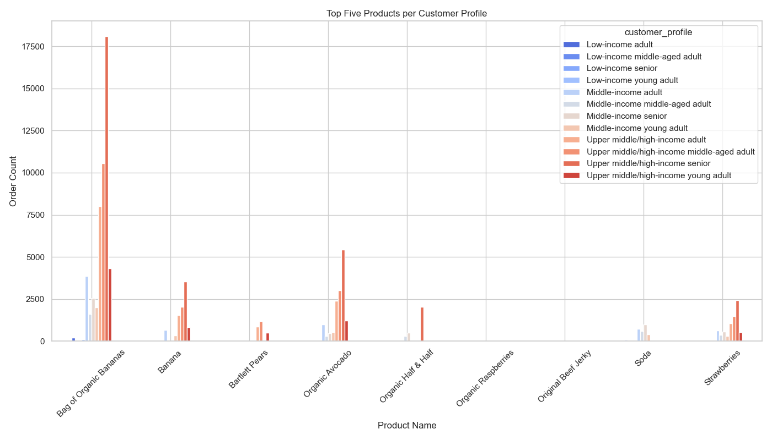

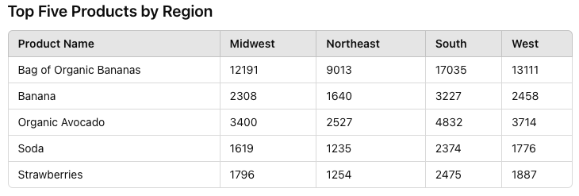
Top Five Products by Region
Bag of Organic Bananas leads the list in all regions, with the highest count in the South. Other popular products include Bananas, Organic Avocados, Soda, and Strawberries, with order counts varying by region.
Key Takeaways
Dominance of Organic Products: Bag of Organic Bananas and Organic Avocados are highly popular across all regions, indicating a strong preference for organic produce.
Regional Preferences: The South has the highest order counts for most top products, especially Bag of Organic Bananas, suggesting a higher demand for fresh produce in this region.
Consistency Across Regions: While the order counts vary, the same five products appear in the top list across all regions, reflecting consistent preferences for these items among customers.
Top Five Products by Region
Bag of Organic Bananas is the leading product across all profiles, especially among upper middle/high-income seniors. Other popular products include Bananas, Bartlett Pears, Organic Avocado, and Soda, with varying order counts across different profiles.
Key Takeaways
Dominance of Organic Produce: Bag of Organic Bananas and Organic Avocado are highly favored across all customer profiles, indicating a strong preference for organic produce, particularly among higher-income groups.
Profile-Specific Preferences: Upper middle/high-income seniors have significantly higher order counts for organic products, while low-income profiles show preferences for products like Soda and Strawberries.
Variation by Income and Age: The data shows a clear variation in product preferences based on income and age, with higher-income and older customers favoring a broader range of organic and fresh products.

Recommendations for Marketing
Emphasize Organic Produce
Targeted Campaigns: Focus marketing efforts on promoting organic produce, particularly Bag of Organic Bananas and Organic Avocado, which are consistently top sellers across all regions and customer profiles.
Regional Promotions
South and West Regions: Develop region-specific promotions for the South and West, where products like Bag of Organic Bananas, Organic Avocado, and Strawberries are highly.
Customer Profile-Specific Strategies
Upper Middle/High-Income Seniors: Create targeted campaigns for upper middle/high-income seniors that emphasize the availability and quality of fresh, organic products.
Young Adults and Middle-Income Customers: Develop marketing strategies that appeal to young adults and middle-income customers, that focus on products that cater to convenience and quick preparation times. As well as affordable yet high-quality products.
Key Takeaways
- The data suggests that the Produce department has the highest frequency of product orders.
- The popularity of Soda highlights significant demand in the beverages category, particularly in the South and West regions and among middle-income young adults.
- Regionally, products such as Bag of Organic Bananas, Organic Avocado, and Strawberries are highly popular in the South.
- Among customer profiles, upper middle/high-income seniors show a high frequency of orders for organic and fresh products, indicating their preference for healthier options,.
- Middle-income adults and young adults also demonstrate a strong preference for fresh produce.

7. Recommendations
Recommendations

Recommendations

Key Question
How can the sales team identify the busiest days of the week and hours of the day, specifically the days and times with the highest order frequencies, to strategically schedule advertisements during periods of lower order volumes?

Strategies for Peak and Off-Peak Times of Day & Days of the Week
Advertise During Peak Hours: Run ads from 10 AM to 3 PM on weekends to reach the most customers.
Target Off-Peak Times: Use special offers to attract orders in the early morning (12 AM to 5 AM) and late evening (after 5 PM).
Boost Mid-Week Sales: Offer discounts and promotions on Wednesdays to increase mid-week orders.
Focus on Weekends: Concentrate ad efforts on Saturdays and Sundays to take advantage of high order volumes.

Key Question
Are there specific times of the day when customers spend the most money, and how can this information guide the sales team in selecting the most appropriate products to advertise during these peak spending periods?

Recommendations Based on Spending Patterns
Advertise Premium Products During Peak Spending Hours: Run ads for high-value items at 2 AM and 5 AM when customers tend to spend the most, maximizing the impact of premium product promotions.
Advertise Budget-Friendly Products During Low Spending Hours: Run ads for affordable items at midnight and 10 PM to attract budget-conscious customers and boost sales during periods of lower spending.

Key Question
How can the marketing and business strategy units at Instacart use customer profiling from their database to develop more relevant marketing strategies for different products?

Customer Profile Analysis and Marketing Recommendations
Top Customer Bases: Seniors and Middle-Aged Adults, along with High-Income and Upper Middle-Income groups, represent the majority of the customer base.
Dependents Distribution: Nearly half of the customers have one or two dependents, suggesting a significant market for family-oriented products.
Income Levels: The majority of customers are High Income or Upper Middle Income, indicating a preference for premium and quality.
Emphasize Premium Products: Target marketing efforts towards premium products, luxury goods, and exclusive services, especially for seniors and middle-aged adults. Highlight quality, exclusivity, and convenience.
Focus on High-Income Segments: Leverage the significant purchasing power of high-income customers by promoting high-quality and trendy products.
Tailor Marketing to Family Needs: For the One/Two Dependents segment, focus on family-oriented products, value packs, and bulk purchases, while also catering to those with three or more dependents.
Health and Convenience for Seniors: Market health-related products, convenience items, and essentials specifically to the senior demographic.

Key Question
How do customer profiles vary across different regions, and how can Instacart officers compare customer behavior in different geographic areas?

Customer Profiles Across Different Regions and Recommendations
Southern Region Dominance: The Southern region consistently has the highest number of individuals across most customer profiles, with the largest profile being Upper middle/high-income seniors. High-income customers represent the largest portion of Instacart's customer base across all regions.
Dependents Distribution: Customers with One/Two Dependents are the largest group across all regions, with the South leading. The Single/No Dependents group and the Three or More Dependents group have similar numbers across regions, with the South having the largest base for both.
Target Upper Middle/High-Income Seniors: Focus marketing efforts on the South specifically for this customer group as they are a large segment of the customer population.
Promote Family-Oriented Products: For the One/Two Dependents segment, concentrate on family-oriented products, value packs, and bulk purchases, especially in the South. Ensure campaigns also appeal to those with three or more dependents due to their significant numbers.
Reach Single Individuals in the Northeast: Develop targeted marketing campaigns for single individuals in the Northeast, emphasizing convenience and value for single households, as they are less represented in this region.

Key Question
Can we identify any links or behavioral differences among customers across different regions and departments?

Identifying Links
Universal Preference: Produce and Dairy Eggs consistently top the list of departments with the highest order counts across all regions. These departments are also highly favored across all customer profiles, with especially high engagement from upper middle/high-income seniors. This suggests a universal preference for fresh produce and essential dairy items.
Preference by Profile: Beverages, Deli, and Snacks also feature prominently in regional top five lists. The popularity of these departments varies more significantly by customer profile. Pantry items, for example, appear in specific customer profiles but not in the top five for any region.
Average Days Since Prior Order: Customers with three or more dependents tend to have slightly longer intervals between orders in the Midwest compared to other regions, suggesting a potential pattern of bulk purchasing or less frequent shopping trips. Middle-aged and senior profiles, particularly in the upper middle/high-income brackets, tend to have higher average days since prior order, indicating less frequent but possibly larger order volumes.
Behavioral Differences
Frequency of Purchases: The South and Midwest generally have higher order counts across most departments, indicating more frequent shopping or larger household needs in these regions. Customers with dependents, especially those with three or more, tend to have longer intervals between orders, possibly due to larger, less frequent shopping trips.
Profile-Specific Preferences: Young adults across all income brackets show relatively lower order counts for departments like Deli and Snacks, possibly indicating different dietary preferences or lifestyle choices. Upper middle/high-income seniors have significantly higher order counts for Produce, suggesting a strong preference for fresh, possibly healthier food options.
Regional Specifics: While Produce is the top department across all regions, the South shows the highest engagement, indicating a strong regional preference that might be linked to dietary habits or availability of fresh produce. The Midwest and South regions show higher order counts for Beverages and Snacks, indicating a possible preference for convenience foods and drinks in these regions.
Insights for Marketing
Focus on Produce and Dairy Eggs: Both categories show high engagement across regions and customer profiles, suggesting these should be key areas for marketing and promotions.
Target Specific Profiles: Marketing campaigns can be tailored to target upper middle/high-income seniors for Produce and Dairy Eggs, given their significantly higher order counts.
Boost Lesser Popular Departments: Efforts can be made to increase interest in Snacks and Deli, especially in regions and profiles where they rank lower, to drive overall sales.
Recommendations for Marketing
Targeted Campaigns: Focus marketing efforts on Produce and Dairy Eggs, leveraging their universal appeal across all regions and customer profiles. Tailor promotions for Beverages, Deli, and Snacks to regions like the Midwest and South where these departments show higher engagement.
Profile-Specific Strategies: Develop specific campaigns for upper middle/high-income seniors, emphasizing the availability of fresh produce and dairy items. Address the needs of young adults by promoting quick, convenient meal options and snacks that fit their lifestyle.
Frequency Incentives: For regions and profiles with longer intervals between orders, consider offering incentives for more frequent shopping, such as loyalty programs or discounts on repeat purchases.

Key Question
How does age correlate with spending power (income)?

Age Group and Spending Power Analysis and Marketing Recommendations
Target High-Income Single Adults in the Midwest: Focus on marketing premium products and exclusive deals to high-income single adults in the Midwest, as they exhibit the highest spending in this region ($21.17).
Promote Family-Oriented Products to Young Parents: Develop campaigns that highlight family-oriented products, value packs, and bulk purchases to young parents with multiple dependents across all regions, catering to their higher expenditures.
Emphasize Quality and Convenience for Older Adults: In the Northeast and South, target older adults without dependents with high-quality and convenient products, as their spending is notably high ($15.27 in the Northeast and $15.33 in the South).
Regional Campaigns for High-Income Segments: Customize marketing strategies to reflect regional spending patterns, ensuring that high-income individuals in various life stages receive tailored promotions that resonate with their specific needs and spending behaviors.

Key Question
Are there certain types of products that are more popular than others, and which departments have the highest frequency of product orders according to the marketing and sales teams?

Recommendations for Marketing
Emphasize Organic Produce
Targeted Campaigns: Focus marketing efforts on promoting organic produce, particularly Bag of Organic Bananas and Organic Avocado, which are consistently top sellers across all regions and customer profiles.
Regional Promotions
South and West Regions: Develop region-specific promotions for the South and West, where products like Bag of Organic Bananas, Organic Avocado, and Strawberries are highly.
Customer Profile-Specific Strategies
Upper Middle/High-Income Seniors: Create targeted campaigns for upper middle/high-income seniors that emphasize the availability and quality of fresh, organic products.
Young Adults and Middle-Income Customers: Develop marketing strategies that appeal to young adults and middle-income customers, that focus on products that cater to convenience and quick preparation times. As well as affordable yet high-quality products.

